Sheet3
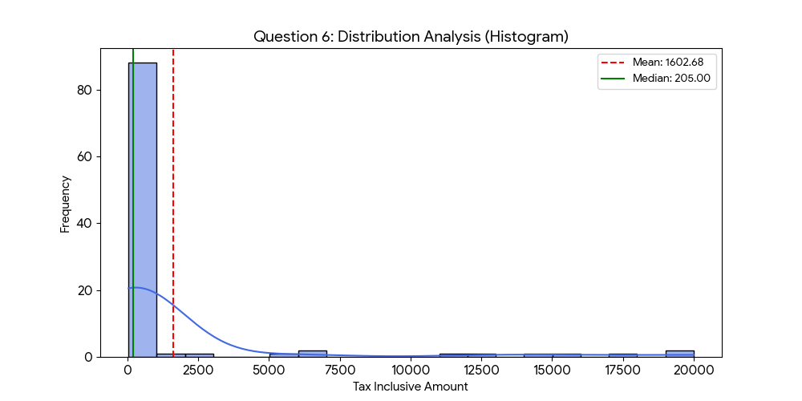
Question | Statistical Metric | Result
1 | Mean | 1,602.68
2 | Median | 205
3 | Variance | 17,780,705.62
3 | Standard Deviation | 4,216.72
3 | Standard Error | 421.67
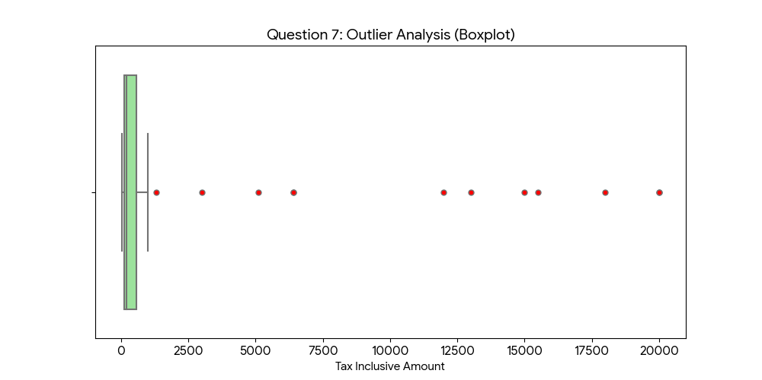
4 | Shape of Distribution | Right-Skewed (Positively Skewed)
5 | Q1 (First Quartile) | 100
5 | Q3 (Third Quartile) | 553.25
5 | Interquartile Range (IQR) | 453.25
5 | Lower Fence | -579.88
5 | Upper Fence | 1,233.12
5 | Outliers Detected | 12 records

